covarianc_correlation
Height (cm) | Weight (kg)
100 | 50.1 | covariance | 22909.69
266 | 55.1 | correlation | 0.98
543 | 60.1
735 | 65.1
965 | 70.1
1127 | 75.1
1359 | 80.1
1533 | 85.1
1690 | 90.1
1949 | 95.1
2137 | 100.1
2414 | 105.1
2670 | 110.1
2950 | 115.1
3151 | 120.1
3307 | 125.1
1056486.27 | 566.67

linear regression
Height vs Weight Example
 |  |  |  | https://www.youtube.com/watch?v=yZXNS5AxmIY
Height (cm) | Weight (kg) | Pearson correlation coefficient
Weight (kg) vs. Height (cm)
100 | 50.1 | 1
110 | 55.1
120 | 60.1
130 | 65.1
140 | 70.1
150 | 75.1
160 | 80.1
170 | 85.1
180 | 90.1
190 | 95.1
200 | 100.1
210 | 105.1
220 | 110.1
230 | 115.1
240 | 120.1
250 | 125.1
 |  |  |  | https://en.wikipedia.org/wiki/Linear_regression
B0 | B1 | Parameters
0.1 | 0.5 | Hyperparameter tuning manually

Height (cm) | Predicted Weight |  | Error | SQRE(Error)
100 | 50.1 |  | 0 | 0
110 | 55.1 |  | 0 | 0
120 | 60.1 |  | 0 | 0
130 | 65.1 |  | 0 | 0
140 | 70.1 |  | 0 | 0
150 | 75.1 |  | 0 | 0
160 | 80.1 |  | 0 | 0
170 | 85.1 |  | 0 | 0
180 | 90.1 |  | 0 | 0
190 | 95.1 |  | 0 | 0
200 | 100.1 |  | 0 | 0
210 | 105.1 |  | 0 | 0
220 | 110.1 |  | 0 | 0
230 | 115.1 |  | 0 | 0
240 | 120.1 |  | 0 | 0
250 | 125.1 |  | 0 | 0
 |  |  | Sum of SQRE(Error) | 0
 |  |  | Mean Sqare Erroe | 0 | Opimization

simple linear regression
 | Simple Linear Regression
 | Dataset |  | mean centering |  |  |  |  |  |  | ERROR |  | Root Meansquared error
 | x | y | x - mean(x) | sqare(x - mean(x)) | y - mean(y) | covarianc(x, y) | b1 | b0 | Predicted Y | Predicted Y - y | squared error | RMSE
 | 1 | 1 | -2 | 4 | -1.8 | 3.6 |  |  | 1.2 | 0.2 | 0.04 | 0.2
 | 2 | 3 | -1 | 1 | 0.2 | -0.2 | 0.8 | 0.4 | 2 | -1 | 1 | 1
 | 4 | 3 | 1 | 1 | 0.2 | 0.2 |  |  | 3.6 | 0.6 | 0.36 | 0.6
 | 3 | 2 | 0 | 0 | -0.8 | 0 |  |  | 2.8 | 0.8 | 0.64 | 0.8
 | 5 | 5 | 2 | 4 | 2.2 | 4.4 |  |  | 4.4 | -0.6 | 0.36 | 0.6
mean | 3 | 2.8 | 0 | 2 | 0 |  |  |  |  |  | RMSE | 0.64
sum |  |  | 0 | 10 | 0 | 8 |  |  |  |  | 2.4

y vs. x

logistic function
Logistic vs. Input
Derivative vs. Input
Logistic Function

Input | Logistic | Derivative
-5 | 0.0066929 | 0.0066481
-4 | 0.0179862 | 0.0176627
-3 | 0.0474259 | 0.0451767
-2 | 0.1192029 | 0.1049936
-1 | 0.2689414 | 0.1966119
0 | 0.5000000 | 0.2500000
1 | 0.7310586 | 0.1966119
2 | 0.8807971 | 0.1049936
3 | 0.9525741 | 0.0451767
4 | 0.9820138 | 0.0176627
5 | 0.9933071 | 0.0066481

logistic regression
Logistic Regression with Stochastic Gradient Descent

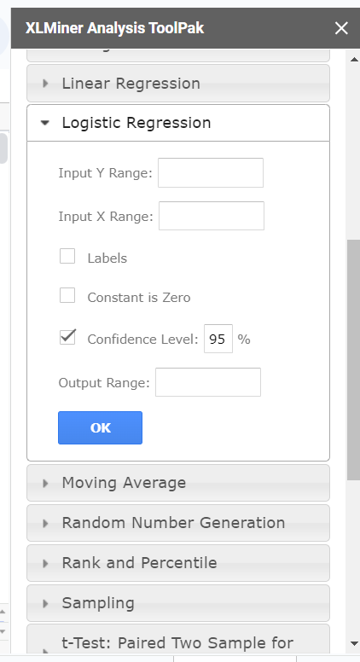
Dataset |  |  | B0 | B1 | B2 | Positive일 확률
X1 | X2 | Y | -29.0000 | 13.4393 | -10.8449 | P(Y=Positive) | Log Loss | Predcit Y | Accuracy
2.7811 | 2.5505 | 0.0000 | -29.0000 | 37.3760 | -27.6602 | 0.0000 | 0.0000 | 0.000 | 0.0000
1.4655 | 2.3621 | 0.0000 | -29.0000 | 19.6952 | -25.6169 | 0.0000 | 0.0000 | 0.000 | 0.0000
3.3966 | 4.4003 | 0.0000 | -29.0000 | 45.6476 | -47.7206 | 0.0000 | 0.0000 | 0.000 | 0.0000
1.3881 | 1.8502 | 0.0000 | -29.0000 | 18.6548 | -20.0654 | 0.0000 | 0.0000 | 0.000 | 0.0000
3.0641 | 3.0053 | 0.0000 | -29.0000 | 41.1791 | -32.5921 | 0.0000 | 0.0000 | 0.000 | 0.0000
7.6275 | 2.7593 | 1.0000 | -29.0000 | 102.5091 | -29.9238 | 1.0000 | 0.0000 | 1.000 | 0.0000
5.3324 | 2.0886 | 1.0000 | -29.0000 | 71.6645 | -22.6509 | 1.0000 | 0.0000 | 1.000 | 0.0000
6.9226 | 1.7711 | 1.0000 | -29.0000 | 93.0352 | -19.2070 | 1.0000 | 0.0000 | 1.000 | 0.0000
8.6754 | -0.2421 | 1.0000 | -29.0000 | 116.5920 | 2.6252 | 1.0000 | 0.0000 | 1.000 | 0.0000
7.6738 | 3.5086 | 1.0000 | -29.0000 | 103.1303 | -38.0499 | 1.0000 | 0.0000 | 1.000 | 0.0000
 |  |  |  |  |  |  | 0.0000 | Minimize

 | SUMMARY OUTPUT

 | Regression Statistics
 | Chi Square | 13.862943575
 | Residual Dev. | 3.6659335645E-08
 | # of iterations | 21
 | Observations | 10

 |  | Coefficients | Standard Error | P-value | Odd Ratio | Lower 95% | Upper 95% | Lower 95% | Upper 95%
 | Intercept | -29.548609218 | 159347.6438 | 0.99985204438 | 1.4696098993E-13 | 0 | infinity | 0 | infinity
 | X1 | 13.439349069 | 12195.419444 | 0.9991207316 | 686491.46342 | 0 | infinity | 0 | infinity
 | X2 | -10.844867723 | 47874.894454 | 0.99981925908 | 1.9504453712E-05 | 0 | infinity | 0 | infinity

 | SUMMARY OUTPUT

 | Regression Statistics
 | Chi Square | 13.862943575
 | Residual Dev. | 3.6659335645E-08
 | # of iterations | 21
 | Observations | 10

 |  | Coefficients | Standard Error | P-value | Odd Ratio | Lower 95% | Upper 95% | Lower 95% | Upper 95%
 | Intercept | -29.548609218 | 159347.6438 | 0.99985204438 | 1.4696098993E-13 | 0 | infinity | 0 | infinity
 | X Variable 1 | 13.439349069 | 12195.419444 | 0.9991207316 | 686491.46342 | 0 | infinity | 0 | infinity
 | X Variable 2 | -10.844867723 | 47874.894454 | 0.99981925908 | 1.9504453712E-05 | 0 | infinity | 0 | infinity

KNN_classification
K-Nearest Neighbors
Dataset |  |  |  |  |  |  |  |  |  | http://vision.stanford.edu/teaching/cs231n-demos/knn/
X1 | X2 | Y
3.394 | 2.331 | 0
3.110 | 1.782 | 0
1.344 | 3.368 | 0
3.582 | 4.679 | 0
2.280 | 2.867 | 0
7.423 | 4.697 | 1
5.745 | 3.534 | 1
9.172 | 2.511 | 1
7.793 | 3.424 | 1
7.940 | 0.792 | 1

Euclidean Distance
X1 | X2 | (X1-X1)^2 | (x2-X2)^2 | Sum | Distance
3.394 | 2.331 | 0.080 | 0.302 | 0.383 | 0.619
3.110 | 1.782

New Instance
X1 | X2 | Y
5.000 | 3.000 | ?

Prediction
Instance | X1 | X2 | Y | (X1-X1)^2 | (x2-X2)^2 | Sum | Distance | 3 Neighbours | Prediction | 5 Neighbours | Prediction
1 | 3.394 | 2.331 | 0 | 2.581 | 0.447 | 3.028 | 1.740 | YES | 0 | YES | 0
2 | 3.110 | 1.782 | 0 | 3.572 | 1.485 | 5.056 | 2.249 |  |  | YES
3 | 1.344 | 3.368 | 0 | 13.368 | 0.136 | 13.503 | 3.675
4 | 3.582 | 4.679 | 0 | 2.010 | 2.820 | 4.830 | 2.198 | YES |  | YES
5 | 2.280 | 2.867 | 0 | 7.396 | 0.018 | 7.414 | 2.723
6 | 7.423 | 4.697 | 1 | 5.873 | 2.878 | 8.751 | 2.958
7 | 5.745 | 3.534 | 1 | 0.555 | 0.285 | 0.840 | 0.917 | YES |  | YES
8 | 9.172 | 2.511 | 1 | 17.407 | 0.239 | 17.646 | 4.201
9 | 7.793 | 3.424 | 1 | 7.800 | 0.180 | 7.979 | 2.825 |  |  | YES
10 | 7.940 | 0.792 | 1 | 8.643 | 4.877 | 13.519 | 3.677

gini
Node | Node 1 | Node 2 | Node 3 | Node 4 | Node 5 | Node 6 | Node 7 | Node 8 | Node 9 | Node 10 | Node 11
Positive (비정상) 개수 | 10 | 9 | 8 | 7 | 6 | 5 | 4 | 3 | 2 | 1 | 0
Negative (정상) 개수 | 0 | 1 | 2 | 3 | 4 | 5 | 6 | 7 | 8 | 9 | 10
p = Probability(target=비정상) | 0 | 0.9 | 0.8 | 0.7 | 0.6 | 0.5 | 0.4 | 0.3 | 0.2 | 0.1 | 0
1-p =Probability(target=정상) | 1 | 0.1 | 0.2 | 0.3 | 0.4 | 0.5 | 0.6 | 0.7 | 0.8 | 0.9 | 1
p*(1-p) | 0 | 0.09 | 0.16 | 0.21 | 0.24 | 0.25 | 0.24 | 0.21 | 0.16 | 0.09 | 0
gini = 2*p*(1-p) | 0 | 0.18 | 0.32 | 0.42 | 0.48 | 0.5 | 0.48 | 0.42 | 0.32 | 0.18 | 0
entropy | #NUM! | 0.47 | 0.72 | 0.88 | 0.97 | 1.00 | 0.97 | 0.88 | 0.72 | 0.47 | #NUM!
miss clarification | 0 | 0.1 | 0.2 | 0.3 | 0.4 | 0.5 | 0.4 | 0.3 | 0.2 | 0.1 | 0

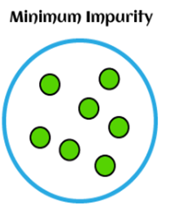
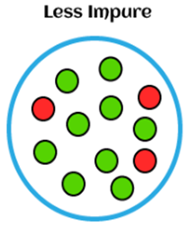
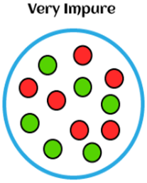
gini = 2*p*(1-p) vs. Node
p*(1-p), gini = 2*p*(1-p), entropy and miss clarification

Node | Node 1 | Node 2 | Node 3 | Node 4 | Node 5 | Node 6 | Node 7 | Node 8 | Node 9 | Node 10 | Node 11
Surprise의 크기
target=비정상 | #DIV/0! | 1.11 | 1.25 | 1.43 | 1.67 | 2.00 | 2.50 | 3.33 | 5.00 | 10.00 | #DIV/0!
target=정상 | 1.00 | 10.00 | 5.00 | 3.33 | 2.50 | 2.00 | 1.67 | 1.43 | 1.25 | 1.11 | 1.00

log loss plot
ID | y | p | y*log(p) | (1-y)*log(1-p) | y | p | y*log(p) | (1-y)*log(1-p)
01 | 1 | 0.17 | 1.78 | - | - | 0.65 | - | 1.05
02 | 0 | 0.03 | - | 0.03 | - | 0.83 | - | 1.76
03 | 1 | 0.81 | 0.21 | - | - | 0.45 | - | 0.59
04 | 0 | 0.92 | - | 2.59 | - | 0.90 | - | 2.35
05 | 0 | 0.67 | - | 1.10 | - | 0.74 | - | 1.33
06 | 0 | 0.98 | - | 4.08 | - | 0.14 | - | 0.15
07 | 0 | 0.94 | - | 2.78 | - | 0.62 | - | 0.97
08 | 0 | 0.95 | - | 3.10 | - | 0.81 | - | 1.68
09 | 0 | 0.64 | - | 1.01 | - | 0.49 | - | 0.68
10 | 1 | 0.60 | 0.51 | - | - | 0.75 | - | 1.40
11 | 0 | 0.42 | - | 0.54 | - | 0.95 | - | 2.94
12 | 1 | 0.58 | 0.55 | - | - | 0.88 | - | 2.10
13 | 1 | 0.41 | 0.89 | - | 1.00 | 0.59 | 0.52 | -
14 | 1 | 0.93 | 0.07 | - | 1.00 | 0.40 | 0.92 | -
15 | 0 | 0.43 | - | 0.57 | 1.00 | 0.99 | 0.01 | -
16 | 1 | 0.77 | 0.26 | - | 1.00 | 0.09 | 2.43 | -
17 | 0 | 0.14 | - | 0.16 | 1.00 | 0.85 | 0.16 | -
18 | 0 | 0.03 | - | 0.03 | 1.00 | 0.13 | 2.07 | -
19 | 0 | 0.28 | - | 0.32 | 1.00 | 0.08 | 2.54 | -
20 | 1 | 0.29 | 1.26 | - | 1.00 | 0.58 | 0.54 | -

Hierachy Clustering
Single Linkage | 최단 연결법 |  |  | 1 | 2 | 4 | 4 | 5
 |  |  |  | 5 | 4 | 6 | 3 | 3
 | x1 | x2 |  | A | B | C | D | E
A | 1 | 5 | A | 0.00 | 1.41 | 3.16 | 3.61 | 4.47
B | 2 | 4 | B | 1.41 | 0.00 | 2.83 | 2.24 | 3.16
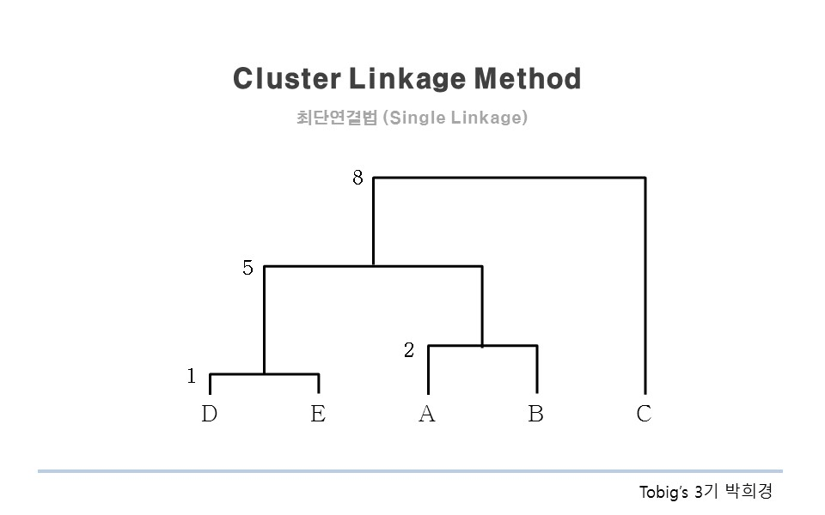
C | 4 | 6 | C | 3.16 | 2.83 | 0.00 | 3.00 | 3.16
D | 4 | 3 | D | 3.61 | 2.24 | 3.00 | 0.00 | 1.00
E | 5 | 3 | E | 4.47 | 3.16 | 3.16 | 1.00 | 0.00

What is distance? |  |  | (유클리드 거리)^2
 | 유클리디언거리 |  |  | 0.00 | 2.00 | 10.00 | 13.00 | 20.00
 | 맨하턴거리 |  |  | 2.00 | 0.00 | 8.00 | 5.00 | 10.00
 | 자카드거리 |  |  | 10.00 | 8.00 | 0.00 | 9.00 | 10.00
 | 마할라노비스거리 |  |  | 13.00 | 5.00 | 9.00 | 0.00 | 1.00
 | 코사인유사성거리 |  |  | 20.00 | 10.00 | 10.00 | 1.00 | 0.00

KNN_clustering
Intelligence is the capability of grouping similar objects
Clustering groups unlabeled(unsupervised) data into 'cluster' similar inputs

X2 vs. X1
 | X2
3.39353321 | 2.33127338
3.11007348 | 1.78153964
1.34380883 | 3.36836095
3.58229404 | 4.67917911
2.28036244 | 2.86699026
7.42343694 | 4.69652288
5.745052 | 3.5339898
9.17216862 | 2.51110105
7.79278348 | 3.42408894
7.93982082 | 0.79163723
ID | X1 | X2
Dataset
1 | 3.39 | 2.33
2 | 3.11 | 1.78
3 | 1.34 | 3.37
4 | 3.58 | 4.68
5 | 2.28 | 2.87
6 | 7.42 | 4.70
7 | 5.75 | 3.53
8 | 9.17 | 2.51
9 | 7.79 | 3.42
10 | 7.94 | 0.79

 | 1 | 2 | 3 | 4 | 5 | 6 | 7 | 8 | 9 | 10
1 | chat-GPT, scikit-learn의 K-nearest neighbors API로 ask
2 | https://scikit-learn.org/stable/modules/neighbors.html
3
4
5
6
7
8
9
10

Lift curve
무작위로 선택했을 때보다 얼마만큼 더 나은 모델 예측력이 있는 지를 평가(마케팅에서 유료 쿠폰 타켓팅에 사용)

A | B | C = B/총 응답고객수 | D = B/A | E = D/Base Lift*100 | C 를 누적
총 고객수 | 응답 고객수 | % captured response | %response | Lift | 누적응답비율
200 | 174 | 45.67% | 87.00% | 4.57% | 45.67%
200 | 110 | 28.87% | 55.00% | 2.89% | 74.54%
200 | 38 | 9.97% | 19.00% | 1.00% | 84.51%
200 | 14 | 3.67% | 7.00% | 0.37% | 88.19%
200 | 11 | 2.89% | 5.50% | 0.29% | 91.08%
200 | 10 | 2.62% | 5.00% | 0.26% | 93.70%
200 | 7 | 1.84% | 3.50% | 0.18% | 95.54%
200 | 10 | 2.62% | 5.00% | 0.26% | 98.16%
200 | 3 | 0.79% | 1.50% | 0.08% | 98.95%
200 | 4 | 1.05% | 2.00% | 0.10% | 100.00%
2,000 | 381
Lift
누적응답비율
Base Lift = | 19.05%

경사하강(Stochastigradient descent)
square(error) vs. Iterations
 | square(error)
0 | 1
1 | 8.8209
2 | 7.19687929
3 | 1.9693884158
4 | 14.633663432
5 | 0.22194200369
6 | 4.1897818678
7 | 1.067287874
8 | 0.12568517921
9 | 5.3070123107
10 | 0.038502610037
11 | 2.4569391016
12 | 0.031231178398
13 | 0.036125682236
14 | 2.2917094697
15 | 0.0028311652985
16 | 1.7381008651
17 | 0.071733331778
18 | 0.22360734998
19 | 1.2186651984
20 | 0.00045522921559
21 | 1.4134008719
22 | 0.24858501801
23 | 0.38410823655
24 | 0.79437863256
25 | 0.0036399931848
26 | 1.2576441762
27 | 0.38234036251
28 | 0.48455118708
29 | 0.61001349682
30 | 0.0065400253414
31 | 1.1799705918
32 | 0.46303157967
33 | 0.54139593698
34 | 0.52410775637
35 | 0.0084314753227
36 | 1.1402367199
37 | 0.50790487377
38 | 0.57225544993
39 | 0.4822916309
40 | 0.0095642035898
41 | 1.1194987909
42 | 0.5319558182
43 | 0.58871914776
44 | 0.46147459312
learning rate |  | Data |  | model = y = a+bx |  |  | y_hat - y
0.01 | Iterations | x | y | 절편 (α) | 기울기 (β) | y_hat | = error | square(error) | absolute error
1 epoch | 0 | 1 | 1 | 0.0000 | 0.0000 | 0.0000 | -1.0000 | 1.0000 | 1.0000
 | 1 | 2 | 3 | 0.0100 | 0.0100 | 0.0300 | -2.9700 | 8.8209 | 2.9700
 | 2 | 4 | 3 | 0.0397 | 0.0694 | 0.3173 | -2.6827 | 7.1969 | 2.6827
 | 3 | 3 | 2 | 0.0665 | 0.1767 | 0.5967 | -1.4033 | 1.9694 | 1.4033
 | 4 | 5 | 5 | 0.0806 | 0.2188 | 1.1746 | -3.8254 | 14.6337 | 3.8254
2 epoch | 5 | 1 | 1 | 0.1188 | 0.4101 | 0.5289 | -0.4711 | 0.2219 | 0.4711
 | 6 | 2 | 3 | 0.1235 | 0.4148 | 0.9531 | -2.0469 | 4.1898 | 2.0469
 | 7 | 4 | 3 | 0.1440 | 0.4557 | 1.9669 | -1.0331 | 1.0673 | 1.0331
 | 8 | 3 | 2 | 0.1543 | 0.4971 | 1.6455 | -0.3545 | 0.1257 | 0.3545
 | 9 | 5 | 5 | 0.1579 | 0.5077 | 2.6963 | -2.3037 | 5.3070 | 2.3037
3 epoch | 10 | 1 | 1 | 0.1809 | 0.6229 | 0.8038 | -0.1962 | 0.0385 | 0.1962
 | 11 | 2 | 3 | 0.1829 | 0.6248 | 1.4325 | -1.5675 | 2.4569 | 1.5675
 | 12 | 4 | 3 | 0.1985 | 0.6562 | 2.8233 | -0.1767 | 0.0312 | 0.1767
 | 13 | 3 | 2 | 0.2003 | 0.6633 | 2.1901 | 0.1901 | 0.0361 | 0.1901
 | 14 | 5 | 5 | 0.1984 | 0.6575 | 3.4862 | -1.5138 | 2.2917 | 1.5138
4 epoch | 15 | 1 | 1 | 0.2135 | 0.7332 | 0.9468 | -0.0532 | 0.0028 | 0.0532
square(error) vs. Iterations
 | square(error)
0 | 1
1 | 8.8209
2 | 7.19687929
3 | 1.9693884158
4 | 14.633663432
5 | 0.22194200369
6 | 4.1897818678
7 | 1.067287874
8 | 0.12568517921
9 | 5.3070123107
10 | 0.038502610037
11 | 2.4569391016
12 | 0.031231178398
13 | 0.036125682236
14 | 2.2917094697
15 | 0.0028311652985
16 | 1.7381008651
17 | 0.071733331778
18 | 0.22360734998
19 | 1.2186651984
20 | 0.00045522921559
21 | 1.4134008719
22 | 0.24858501801
23 | 0.38410823655
24 | 0.79437863256
25 | 0.0036399931848
26 | 1.2576441762
27 | 0.38234036251
28 | 0.48455118708
29 | 0.61001349682
30 | 0.0065400253414
31 | 1.1799705918
32 | 0.46303157967
33 | 0.54139593698
34 | 0.52410775637
35 | 0.0084314753227
36 | 1.1402367199
37 | 0.50790487377
38 | 0.57225544993
39 | 0.4822916309
40 | 0.0095642035898
41 | 1.1194987909
42 | 0.5319558182
43 | 0.58871914776
44 | 0.46147459312
 | 16 | 2 | 3 | 0.2141 | 0.7338 | 1.6816 | -1.3184 | 1.7381 | 1.3184
 | 17 | 4 | 3 | 0.2273 | 0.7601 | 3.2678 | 0.2678 | 0.0717 | 0.2678
 | 18 | 3 | 2 | 0.2246 | 0.7494 | 2.4729 | 0.4729 | 0.2236 | 0.4729
 | 19 | 5 | 5 | 0.2199 | 0.7352 | 3.8961 | -1.1039 | 1.2187 | 1.1039
5 epoch | 20 | 1 | 1 | 0.2309 | 0.7904 | 1.0213 | 0.0213 | 0.0005 | 0.0213
 | 21 | 2 | 3 | 0.2307 | 0.7902 | 1.8111 | -1.1889 | 1.4134 | 1.1889
 | 22 | 4 | 3 | 0.2426 | 0.8140 | 3.4986 | 0.4986 | 0.2486 | 0.4986
 | 23 | 3 | 2 | 0.2376 | 0.7941 | 2.6198 | 0.6198 | 0.3841 | 0.6198
 | 24 | 5 | 5 | 0.2314 | 0.7755 | 4.1087 | -0.8913 | 0.7944 | 0.8913
6 epoch | 25 | 1 | 1 | 0.2403 | 0.8200 | 1.0603 | 0.0603 | 0.0036 | 0.0603
 | 26 | 2 | 3 | 0.2397 | 0.8194 | 1.8786 | -1.1214 | 1.2576 | 1.1214
 | 27 | 4 | 3 | 0.2509 | 0.8419 | 3.6183 | 0.6183 | 0.3823 | 0.6183
 | 28 | 3 | 2 | 0.2447 | 0.8171 | 2.6961 | 0.6961 | 0.4846 | 0.6961
 | 29 | 5 | 5 | 0.2378 | 0.7962 | 4.2190 | -0.7810 | 0.6100 | 0.7810
7 epoch | 30 | 1 | 1 | 0.2456 | 0.8353 | 1.0809 | 0.0809 | 0.0065 | 0.0809
 | 31 | 2 | 3 | 0.2448 | 0.8345 | 1.9137 | -1.0863 | 1.1800 | 1.0863
 | 32 | 4 | 3 | 0.2556 | 0.8562 | 3.6805 | 0.6805 | 0.4630 | 0.6805
 | 33 | 3 | 2 | 0.2488 | 0.8290 | 2.7358 | 0.7358 | 0.5414 | 0.7358
 | 34 | 5 | 5 | 0.2415 | 0.8069 | 4.2760 | -0.7240 | 0.5241 | 0.7240
8 epoch | 35 | 1 | 1 | 0.2487 | 0.8431 | 1.0918 | 0.0918 | 0.0084 | 0.0918
 | 36 | 2 | 3 | 0.2478 | 0.8422 | 1.9322 | -1.0678 | 1.1402 | 1.0678
 | 37 | 4 | 3 | 0.2585 | 0.8636 | 3.7127 | 0.7127 | 0.5079 | 0.7127
 | 38 | 3 | 2 | 0.2513 | 0.8350 | 2.7565 | 0.7565 | 0.5723 | 0.7565
 | 39 | 5 | 5 | 0.2438 | 0.8123 | 4.3055 | -0.6945 | 0.4823 | 0.6945
9 epoch | 40 | 1 | 1 | 0.2507 | 0.8471 | 1.0978 | 0.0978 | 0.0096 | 0.0978
 | 41 | 2 | 3 | 0.2497 | 0.8461 | 1.9419 | -1.0581 | 1.1195 | 1.0581
 | 42 | 4 | 3 | 0.2603 | 0.8673 | 3.7294 | 0.7294 | 0.5320 | 0.7294
 | 43 | 3 | 2 | 0.2530 | 0.8381 | 2.7673 | 0.7673 | 0.5887 | 0.7673
 | 44 | 5 | 5 | 0.2454 | 0.8151 | 4.3207 | -0.6793 | 0.4615 | 0.6793

Association Rule_01
apriori-algorithm(연관관계분석)
time | 거래번호(transaction ID) | 거래 아이템 | (우유 ∩ 시리얼) | 우유 | 시리얼
2023-11-16-10 | 1 | 우유, 버터, 시리얼 | 1 | 1 | 1
2023-11-16-11 | 2 | 우유, 시리얼 | 1 | 1 | 1
2023-11-16-12 | 3 | 우유, 빵 |  | 1
2023-11-16-13 | 4 | 버터, 맥주, 오징어
total transanctions | 4 | frequency of items | 2 | 3 | 2
 |  |  | P(우유 ∩ 시리얼) | P(우유) | P(시리얼)
 |  |  | 0.50 | 0.75 | 0.50

 | 문1. (우유, 시리얼) 지지도 | P(우유 ∩ 시리얼) = (우유 ∩ 시리얼)/총 거래건수 | 0.50 | Support
 | 문2. (우유-> 시리얼) 신뢰도 | P(우유 ∩ 시리얼) /P(우유) | 0.67 | Confidence
 | 문3. (시리얼->우유) 신뢰도 | P(우유 ∩ 시리얼) /P(시리얼) | 1.00
 | 문4. lift(우유-> 시리얼) | P(시리얼/우유)/P(시리얼) = (2/3)/(2/4) | 1.33 | Lift | 1.33
 | 문5. lift(시리얼-> 우유) | P(우유/시리얼)/P(우유) = (2/2)/(3/4) | 1.33 |  | 1.33

 | 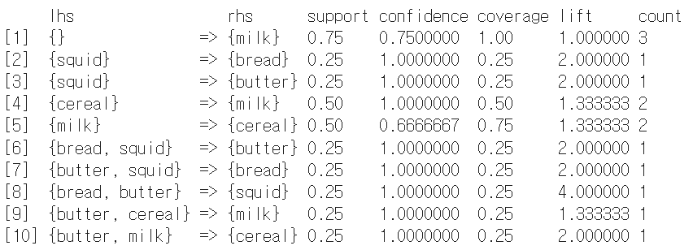

 | support: The support of a rule is the proportion of transactions in the dataset that contain both the antecedent and the consequent. It indicates how frequently the rule occurs.
 | confidence: The confidence of a rule is a measure of the reliability of the rule. It is the ratio of the support of both the antecedent and the consequent to the support of the antecedent. It indicates the likelihood that the rule holds true.
 | coverage: Coverage is the proportion of transactions that contain the antecedent. It gives an idea of how often the antecedent occurs in the dataset.
 | lift: Lift is a measure of how much more likely the consequent is given the antecedent compared to if they were independent. A lift value greater than 1 indicates that the presence of the antecedent increases the likelihood of the consequent.
 | count: The count is the number of transactions that satisfy both the antecedent and the consequent.

log
 | p(y)
 | 0.1
 | 0.2
 | 0.3
 | 0.4
 | 0.5
 | 0.6
 | 0.7
 | 0.8
 | 0.9
 | 1.0
x1 | 1 | 2 | 4 | 8 | 16 | 32 | 64 | 128 | 256 | 512 | 1024 | 2048 | 4096 | 8192 | 16384 | 32768 | 65536 | 131072 | 262144
log(x) | 0 | 0.69314718056 | 1.3862943611 | 2.0794415417 | 2.7725887222 | 3.4657359028 | 4.1588830834 | 4.8520302639 | 5.5451774445 | 6.238324625 | 6.9314718056 | 7.6246189862 | 8.3177661667 | 9.0109133473 | 9.7040605278 | 10.397207708 | 11.090354889 | 11.78350207 | 12.47664925
x2 | 1 | 10 | 100 | 1000 | 10000 | 100000 | 1000000 | 10000000 | 100000000 | 1000000000 | 10000000000 | 100000000000 | 1000000000000 | 10000000000000
log10(x) | 0 | 1 | 2 | 3 | 4 | 5 | 6 | 7 | 8
1/X2 | 1 | 0.1 | 0.01 | 0.001 | 0.0001 | 0.00001 | 0.000001 | 0.0000001 | 0.00000001
log10(1/x) | 0 | -1 | -2 | -3 | -4 | -5 | -6 | -7 | -8
root | 1 | 1.4142135624 | 2 | 2.8284271247 | 4 | 5.6568542495 | 8 | 11.313708499 | 16
 | y | p(y) | log(p) | 1-p(y)
 | 1 | 0.1 | 2.3 | 0.90
 | 1 | 0.2 | 1.6 | 0.80
 | 1 | 0.3 | 1.2 | 0.70
 | 1 | 0.4 | 0.9 | 0.60
 | 1 | 0.5 | 0.7 | 0.50
 | 1 | 0.6 | 0.5 | 0.40
 | log(p)
 | 2.3
 | 1.6
 | 1.2
 | 0.9
 | 0.7
 | 0.5
 | 0.4
 | 0.2
 | 0.1
 | 0.0
 | 1 | 0.7 | 0.4 | 0.30
 | 1 | 0.8 | 0.2 | 0.20
 | 1 | 0.9 | 0.1 | 0.10
 | 1 | 1.0 | 0.0 | -

